principal_internship_mentor_sur
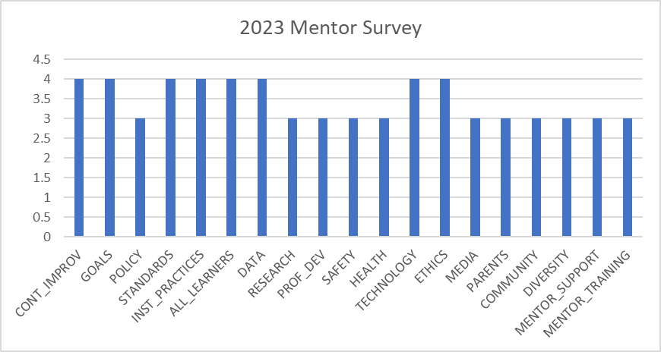

Principal Mentor Survey 2020-2021
CONT_IMPROV | 4 | 3 | 3 | 4 | 3
GOALS | 4 | 3 | 3 | 4 | 4
POLICY | 4 | 3 | 3 | 4 | 4
STANDARDS | 4 | 4 | 4 | 4 | 3
INST_PRACTICES | 4 | 4 | 4 | 4 | 3
ALL_LEARNERS | 4 | 3 | 4 | 4 | 4
DATA | 4 | 4 | 4 | 4 | 4
RESEARCH | 3 | 4 | 4 | 4 | 4
PROF_DEV | 4 | 3 | 4 | 4 | 3
SAFETY | 4 | 4 | 4 | 4 | 4
HEALTH | 4 | 4 | 3 | 4 | 3
TECHNOLOGY | 3 | 4 | 3 | 4 | 3
ETHICS | 4 | 4 | 4 | 4 | 4
MEDIA | 4 | 4 | 3 | 4 | 3
PARENTS | 4 | 3 | 3 | 4 | 4
COMMUNITY | 4 | 3 | 3 | 4 | 4
DIVERSITY | 4 | 3 | 3 | 4 | 4
MENTOR_SUPPORT | 3 | 3 | 3 | 3 | 3
MENTOR_TRANING | 3 | 3 | 3 | 3 | 3
MENTOR_TRAINING_EFF | 0 | 0 | 0 | 0 | 0

Principal Mentor Survey 2020
CONT_IMPROV | 4 | 3 | 3 | 4 | 3
GOALS | 4 | 3 | 3 | 4 | 4
POLICY | 4 | 3 | 3 | 4 | 4
STANDARDS | 4 | 4 | 4 | 4 | 3
INST_PRACTICES | 4 | 4 | 4 | 4 | 3
ALL_LEARNERS | 4 | 3 | 4 | 4 | 4
DATA | 4 | 4 | 4 | 4 | 4
RESEARCH | 3 | 4 | 4 | 4 | 4
PROF_DEV | 4 | 3 | 4 | 4 | 3
SAFETY | 4 | 4 | 4 | 4 | 4
HEALTH | 4 | 4 | 3 | 4 | 3
TECHNOLOGY | 3 | 4 | 3 | 4 | 3
ETHICS | 4 | 4 | 4 | 4 | 4
MEDIA | 4 | 4 | 3 | 4 | 3
PARENTS | 4 | 3 | 3 | 4 | 4
COMMUNITY | 4 | 3 | 3 | 4 | 4
DIVERSITY | 4 | 3 | 3 | 4 | 4
MENTOR_SUPPORT | 3 | 3 | 3 | 3 | 3
MENTOR_TRANING | 3 | 3 | 3 | 3 | 3
MENTOR_TRAINING_EFF | 0 | 0 | 0 | 0 | 0

Principal Mentor Survey 2019
CONT_IMPROV | 3
GOALS | 3
POLICY | 3
STANDARDS | 3
INST_PRACTICES | 3
ALL_LEARNERS | 3
DATA | 3
RESEARCH | 3
PROF_DEV | 3
SAFETY | 3
HEALTH | 3
TECHNOLOGY | 3
ETHICS | 3
MEDIA | 3
PARENTS | 3
COMMUNITY | 3
DIVERSITY | 3
MENTOR_SUPPORT | 3
MENTOR_TRANING | 3
MENTOR_TRAINING_EFF | 0

Principal Mentor Survey 2018
CONT_IMPROV | 4
GOALS | 4
POLICY | 4
STANDARDS | 4
INST_PRACTICES | 4
ALL_LEARNERS | 3
DATA | 4
RESEARCH | 4
PROF_DEV | 4
SAFETY | 4
HEALTH | 4
TECHNOLOGY | 3
ETHICS | 4
MEDIA | 4
PARENTS | 4
COMMUNITY | 4
DIVERSITY | 4
MENTOR_SUPPORT | 3
MENTOR_TRANING | 3
MENTOR_TRAINING_EFF | 0

